Data
The data below are for the EU28 in year 2012
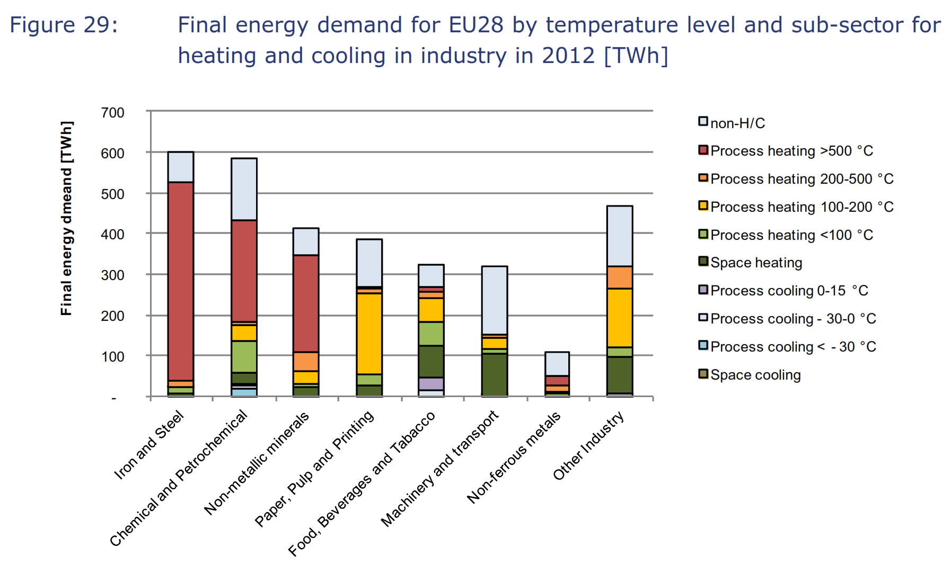

Percentage Heat Demand by Temperature Range by Industry (EU28, 2012)
To measure bars accurately, I exported this PDF page to Affinity Designer and checked the measurements of each colored
rectangle in that vector program, after hiding black outlines to allow a clear view of colored bar edges.
These values are accurate to one tenth of a point (.1)

Values reported in points (pt) by vector program
 | Process heating temperatures
Industry | >500 °C | 200-500 °C | 100-200 °C | <100 °C
Iron & Steel | 93.7 | 3.0 | 0.0 | 3.0
Nonmetallic Minerals | 45.7 | 9.0 | 6.0 | 1.5
Chemicals | 47.9 | 1.5 | 7.5 | 15.0
Nonferrous Metals | 4.5 | 3.0 | 0.8 | 1.5
Food & Beverage | 2.2 | 3.0 | 11.2 | 11.3
Pulp & Paper | 0.7 | 2.3 | 38.2 | 5.2
Machinery & Vehicles | 0.0 | 1.5 | 5.3 | 2.2
Other Industries | 0.0 | 10.5 | 27.7 | 4.5

Conversion Factor
points (pt) | 115.5
TWh | 600

TWh/pt | 5.1948051948
PJ/TWh | 3.59999712 |  | Pj | 1
 |  |  | twh | 0.277778

Values reported in PJ
 | Process heating temperatures
Industry | >500 °C | 200-500 °C | 100-200 °C | <100 °C
All Industries (Total) | 3641 | 632 | 1808 | 827
Iron & Steel | 1752 | 56 | 0 | 56
Nonmetallic Minerals | 855 | 168 | 112 | 28
Chemicals | 896 | 28 | 140 | 281
Nonferrous Metals | 84 | 56 | 15 | 28
Food & Beverage | 41 | 56 | 209 | 211
Pulp & Paper | 13 | 43 | 714 | 97
Machinery & Vehicles | 0 | 28 | 99 | 41
Other Industries | 0 | 196 | 518 | 84

